Employee Resume Summary
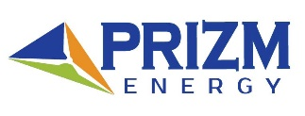 |  | Employee Resume Summary

Saifullah Rajak

Position: |  |  | GMAW & SMAW Welder

Date Of Birth: |  |  | 1976-04-01

Qualification: |  |  | Academic Technical institute.

Years of Experience: |  |  | 25 Years 15 Years in Gulf Countries.

Project Summary:
 |  | • Rotary Engineering (UAE). • SUNGCHANG AL-SHAIKH CONT.CO.LTD. • DAEWOO E&C. • GAMA. • NEO STRUCTO Construction LTD. • PETRON Engineering Construction.LTD. • HAZIRA STEEL LNG LTD.

PRIZM ENERGY
UAE • KSA • Ghana • Egypt |  |  |  |  | Email: info@prizm-energy.com Website: www.prizm-energy.com Head Office: 3707 Churchill Tower, Business Bay, Dubai, UAE

Form #: | PR-HR-ERS-1 |  | Form Rev.: | 1 |  | Form Date: | 2022-05-08

